WeekTwo
Grocery List |  |  |  |  | 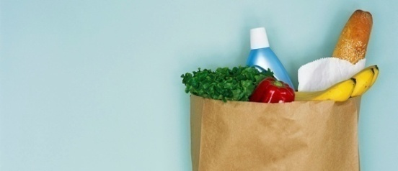
DATE
Category | Item | Quantity | Unit | Price | Total Cost | Brand/Comments | Counting Category
Produce | Oranges | 1 | Bag | $3.99 | $3.99 | Halo
Produce | Strawberries | 2 | Lb | $0.99 | $1.98
Produce | Bananas | 3 | Lb | $0.49 | $1.47
Produce | Kale | 1 | Bunch | $1.98 | $1.98
Produce | Tomatoes | 2 | Lb | $0.99 | $1.98
Dairy | Almond Milk | 1 | Gal | $2.99 | $2.99
Dairy | Yogurt | 1 | Lb | $2.99 | $2.99 | Variety of block cheeses
Dairy | Eggs | 2 | Doz | $1.29 | $2.58
Dairy | Cottage cheese | 1 | Lb | $4.99 | $4.99
Meat | Pork | 3 | Lb | $3.99 | $11.97
Meat | Poultry | 4 | Lb | $3.99 | $15.96
Meat | Ham | 2 | Lb | $3.99 | $7.98
Drinks | Juice | 2 | Doz | $3.49 | $6.98
Drinks | Coffee | 2 | Lb | $6.99 | $13.98 | Store Brand
Drinks | Tea | 1 | Pkt | $3.99 | $3.99
Drinks | Water | 3 | Doz | $1.99 | $5.97
Pasta | Noodles | 5 | Lb | $1.59 | $7.95
Pasta | Rice | 4 | Lb | $2.99 | $11.96
Soup | Canned | 12 | Can | $0.99 | $11.88
Soup | Dry mix | 5 | Pkt | $1.09 | $5.45
Bakery | Bread | 3 | Pkt | $1.99 | $5.97
Snacks | Potato chips | 3 | Bag | $2.99 | $8.97
Snacks | Pretzels | 1 | Bag | $2.99 | $2.99
Snacks | Ice cream | 3 | Gal | $2.89 | $8.67
Snacks | Cookies | 3 | Doz | $2.89 | $8.67
Supplies | Paper plates | 2 | Pkt | $1.29 | $2.58
Supplies | Napkins | 1 | Pkt | $4.99 | $4.99
Count Items (text)
Count Items (Numbers)
Average Price
Sum Total Cost
Maximum Price
Mininum Price
Multiple Arguments

